Chart - Cons RDEL
 | Real PSCE in RDEL per capita | 100 LINE
2007-08 | 100.4 | 100.0
2008-09 | 100.7 | 100.0
2009-10 | 105.0 | 100.0
2010-11 | 104.3 | 100.0
2011-12 | 100.3 | 100.0
2012-13 | 96.5 | 100.0
2013-14 | 95.6 | 100.0
2014-15 | 94.3 | 100.0
2015-16 | 92.4 | 100.0
2016-17 | 90.8 | 100.0
2017-18 | 89.8 | 100.0
2018-19 | 89.5 | 100.0
2019-20 | 93.5 | 100.0
2020-21 | 112.2 | 100.0
2021-22 | 110.0 | 100.0
2022-23 | 103.6 | 100.0
2023-24 | 100.0 | 100.0
2024-25 | 100.1 | 100.0
2025-26 | 100.5 | 100.0
2026-27 | 101.0 | 100.0
2027-28 | 101.5 | 100.0
2028-29 | 102.0 | 100.0

Chart - YouGov
 | Higher taxes and more funding for public services | Current tax levels and public services funding remaining as it is | Lower taxes and less funding for public services
All Britons | 38 | 37 | 25
Labour voters | 59 | 29 | 12
Lib Dem voters | 59 | 30 | 11
Conservative voters | 18 | 51 | 32
Reform UK voters | 16 | 40 | 45

Chart - OECD GI
 | 2003-2022
Estonia | 5.3
Korea | 5.0
Latvia | 4.8
Czechia | 4.7
Hungary | 4.6
Sweden | 4.6
Norway | 4.5
Poland | 4.3
Slovenia | 4.3
Luxembourg | 4.2
Greece | 4.1
Finland | 4.0
Japan | 4.0
Lithuania | 3.9
France | 3.8
Netherlands | 3.7
Iceland | 3.7
Slovakia | 3.6
US | 3.6
Spain | 3.3
Denmark | 3.3
Australia | 3.1
Austria | 3.1
Portugal | 3.0
Switzerland | 3.0
Ireland | 2.8
UK | 2.8
Italy | 2.8
Israel | 2.4
Belgium | 2.4
Germany | 2.2

Chart - Cons PGSI
 | Real PSGI in RDEL per capita | 100 LINE
2007-08 | 84.0 | 100.0
2008-09 | 86.8 | 100.0
2009-10 | 96.7 | 100.0
2010-11 | 80.8 | 100.0
2011-12 | 68.1 | 100.0
2012-13 | 64.3 | 100.0
2013-14 | 67.7 | 100.0
2014-15 | 72.0 | 100.0
2015-16 | 68.3 | 100.0
2016-17 | 67.7 | 100.0
2017-18 | 70.9 | 100.0
2018-19 | 73.8 | 100.0
2019-20 | 75.3 | 100.0
2020-21 | 91.2 | 100.0
2021-22 | 93.6 | 100.0
2022-23 | 101.0 | 100.0
2023-24 | 100.0 | 100.0
2024-25 | 102.1 | 100.0
2025-26 | 99.1 | 100.0
2026-27 | 97.2 | 100.0
2027-28 | 94.9 | 100.0
2028-29 | 91.7 | 100.0

Chart - r v g 25-29
3.79 | 3.80
3.48 | 4.37
0.94 | 1.77
3.28 | 4.16
3.10 | 4.57
1.85 | 4.28
1.45 | 3.97
1.23 | 2.57
2.18 | 4.37
2.03 | 3.17
1.79 | 3.32
2.73 | 2.37
2.26 | 3.45
1.89 | 3.30
1.87 | 3.83
1.40 | 3.73
1.47 | 3.19
2.17 | 6.21
1.93 | 3.72
2.46 | 3.29

Chart - PS current receipts
 | 2024-2025
Income tax | 302.632
Employees' NICs | 55.861
VAT | 173.880
Corporation tax | 96.967
Employers' NICs | 113.470
Fuel duties | 24.741
Business rates | 32.462
Council tax | 46.299
Capital gains tax | 15.242
Inheritance tax | 7.524
Stamp duty (land) | 12.769
Tobacco & alcohol duties | 21.514
Other | 235.761

Chart - Policy decisions
 | Tax | Current spending | Capital spending | Total
2024-2025 | 1160 | -27630 | 1765 | -24705
2025-2026 | 24005 | -48190 | -15360 | -39545
2026-2027 | 34785 | -50675 | -19440 | -35330
2027-2028 | 39065 | -51825 | -23820 | -36580
2028-2029 | 39725 | -52805 | -25695 | -38775
2029-2030 | 41170 | -51035 | -23125 | -32990

Chart - Fiscal impulse
 | Budget (Oct24)
2010-11 | -2.2
2011-12 | -1.4
2012-13 | 0.4
2013-14 | -0.9
2014-15 | 0.4
2015-16 | -0.5
2016-17 | -1.5
2017-18 | 0.1
2018-19 | -0.2
2019-20 | 1.0
2020-21 | 12.3
2021-22 | -10.1
2022-23 | -2.1
2023-24 | -0.2
2024-25 | -0.2
2025-26 | -0.8
2026-27 | -0.5
2027-28 | -0.7
2028-29 | -0.2
2029-30 | -0.2

Chart - PSNI
 | Budget (Oct24) | Budget (Mar24) | UK average (2004-2023)
2000-01 | 0.4 | 0.4 | 2.1
2001-02 | 1.1 | 1.1 | 2.1
2002-03 | 1.4 | 1.4 | 2.1
2003-04 | 1.7 | 1.7 | 2.1
2004-05 | 2.0 | 2.0 | 2.1
2005-06 | 1.9 | 1.9 | 2.1
2006-07 | 1.8 | 1.8 | 2.1
2007-08 | 1.8 | 1.8 | 2.1
2008-09 | 3.0 | 3.0 | 2.1
2009-10 | 3.0 | 3.0 | 2.1
2010-11 | 2.4 | 2.4 | 2.1
2011-12 | 1.8 | 1.8 | 2.1
2012-13 | 1.9 | 1.9 | 2.1
2013-14 | 1.5 | 1.5 | 2.1
2014-15 | 1.9 | 1.9 | 2.1
2015-16 | 1.7 | 1.7 | 2.1
2016-17 | 1.8 | 1.8 | 2.1
2017-18 | 2.2 | 2.2 | 2.1
2018-19 | 2.1 | 2.1 | 2.1
2019-20 | 1.9 | 1.9 | 2.1
2020-21 | 3.4 | 3.5 | 2.1
2021-22 | 2.3 | 2.3 | 2.1
2022-23 | 1.8 | 1.8 | 2.1
2023-24 | 2.6 | 2.6 | 2.1
2024-25 | 2.6 | 2.4 | 2.1
2025-26 | 2.7 | 2.1 | 2.1
2026-27 | 2.7 | 2.0 | 2.1
2027-28 | 2.6 | 1.8 | 2.1
2028-29 | 2.5 | 1.7 | 2.1
2029-30 | 2.4 |  | 2.1

Chart - DEL by dept
 | Growth from 2023-2024 | Growth after 2025-2026
Total | 2.4 | 1.3
NHS England | 3.7 | 3.6
Defence | 1.6 | 1.6
Official Development Assistance | -0.9 | 1.6
Core schools | 0.0 | -0.9
Free childcare | 0.0 | 4.8
Other | 1.5 | -1.1

Chart - GDP impact
 | Private consumption | Government consumption | Government investment | Business investment | Net trade and other | GDP
2024- 2025 | -0.1 | 0.3 | 0.0 | 0.0 | -0.1 | 0.1
2025- 2026 | -0.2 | 0.7 | 0.3 | -0.2 | -0.1 | 0.6
2026- 2027 | -0.4 | 0.7 | 0.5 | -0.2 | -0.3 | 0.4
2027- 2028 | -0.6 | 0.8 | 0.6 | -0.2 | -0.5 | 0.1
2028- 2029 | -0.8 | 0.8 | 0.7 | -0.2 | -0.5 | 0.0
2029- 2030 | -0.9 | 0.8 | 0.6 | -0.2 | -0.4 | -0.1

Chart - OBR GC forecasts
 | Mar-22 | Nov-22 | Mar-23 | Nov-23 | Mar-24 | Oct-24
2022 | 100.0
 | 99.6
 | 100.0 | 100.1
 | 100.4 | 102.0 | 100.5
2023 | 100.7 | 103.4 | 102.1
 | 101.1 | 104.6 | 103.4 | 100.6
 | 101.4 | 105.4 | 104.3 | 101.4
 | 101.7 | 105.9 | 104.7 | 102.5 | 102.8
2024 | 102.1 | 106.2 | 104.9 | 103.6 | 103.9
 | 102.5 | 106.4 | 105.2 | 104.4 | 104.7 | 103.1
 | 102.8 | 106.5 | 105.4 | 105.1 | 105.4 | 103.8
 | 103.2 | 106.7 | 105.8 | 105.7 | 105.9 | 105.6
2025 | 103.7 | 106.9 | 106.1 | 106.2 | 106.4 | 106.9
 | 104.1 | 107.2 | 106.4 | 106.7 | 106.8 | 107.5
 | 104.5 | 107.5 | 106.6 | 107.1 | 107.0 | 108.0
 | 105.0 | 107.9 | 107.0 | 107.5 | 107.4 | 108.4
2026 | 105.6 | 108.3 | 107.5 | 107.9 | 107.8 | 108.9
 | 106.1 | 108.8 | 107.9 | 108.3 | 108.3 | 109.1
 | 106.7 | 109.4 | 108.4 | 108.8 | 108.7 | 109.5
 | 107.3 | 109.8 | 108.9 | 109.2 | 109.1 | 110.0

Chart - Headroom
 |  | Average
Jun 10 | 27.2 | 27.0
Nov 10 | 30.6 | 27.0
Mar 11 | 27.2 | 27.0
Nov 11 | 17.0 | 27.0
Mar 12 | 17.0 | 27.0
Dec 12 | 30.6 | 27.0
Mar 13 | 13.6 | 27.0
Dec 13 | 54.4 | 27.0
Mar 14 | 51.0 | 27.0
Dec 14 | 78.1 | 27.0
Mar 15 | 27.2 | 27.0
Jun 15 | 37.4 | 27.0
Nov 15 | 17.0 | 27.0
Mar 16 | 16.2 | 27.0
Nov 16 | 40.1 | 27.0
Mar 17 | 38.9 | 27.0
Nov 17 | 22.5 | 27.0
Mar 18 | 23.3 | 27.0
Oct 18 | 23.0 | 27.0
Mar 19 | 39.8 | 27.0
Mar 20 | 16.1 | 27.0
Oct 21 | 22.4 | 27.0
Mar 22 | 34.7 | 27.0
Nov 22 | 10.7 | 27.0
Mar 23 | 7.5 | 27.0
Nov 23 | 13.0 | 27.0
Mar 24 | 8.9 | 27.0
Oct 24 | 9.9 | 27.0

Chart - Headroom slippage
 | £bn
Headroom | 9.9
Continue to freeze fuel duty | 4.7
Increase defence spending to 2.5% of GDP | 10
100bps increase in gilt yields | 11.958890081
100bps increase in expectations for Bank Rate | 4.6651017544

Chart - Yields & spreads
 | UK | Germany | US
1/3/2022 | 0.97 | -0.12 | 1.63
1/4/2022 | 1.08 | -0.13 | 1.66
1/5/2022 | 1.09 | -0.12 | 1.71
1/6/2022 | 1.14 | -0.07 | 1.73
1/7/2022 | 1.18 | -0.04 | 1.76
1/10/2022 | 1.19 | -0.03 | 1.78
1/11/2022 | 1.17 | -0.02 | 1.75
1/12/2022 | 1.13 | -0.06 | 1.74
1/13/2022 | 1.11 | -0.09 | 1.70
1/14/2022 | 1.16 | -0.04 | 1.78
1/17/2022 | 1.19 | -0.02 | #N/A
1/18/2022 | 1.22 | 0.00 | 1.87
1/19/2022 | 1.26 | -0.01 | 1.83
1/20/2022 | 1.22 | -0.02 | 1.83
1/21/2022 | 1.17 | -0.06 | 1.75
1/24/2022 | 1.13 | -0.11 | 1.75
1/25/2022 | 1.17 | -0.08 | 1.78
1/26/2022 | 1.20 | -0.07 | 1.85
1/27/2022 | 1.22 | -0.07 | 1.81
1/28/2022 | 1.24 | -0.05 | 1.78
1/31/2022 | 1.31 | 0.01 | 1.79
2/1/2022 | 1.30 | 0.03 | 1.81
2/2/2022 | 1.26 | 0.04 | 1.78
2/3/2022 | 1.37 | 0.15 | 1.82
2/4/2022 | 1.41 | 0.21 | 1.93
2/7/2022 | 1.41 | 0.23 | 1.92
2/8/2022 | 1.49 | 0.27 | 1.96
2/9/2022 | 1.43 | 0.22 | 1.94
2/10/2022 | 1.53 | 0.31 | 2.03
2/11/2022 | 1.55 | 0.29 | 1.92
2/14/2022 | 1.58 | 0.28 | 1.98
2/15/2022 | 1.59 | 0.31 | 2.05
2/16/2022 | 1.52 | 0.28 | 2.03
2/17/2022 | 1.46 | 0.23 | 1.97
2/18/2022 | 1.38 | 0.18 | 1.92
2/21/2022 | 1.41 | 0.21 | #N/A
2/22/2022 | 1.47 | 0.23 | 1.94
2/23/2022 | 1.48 | 0.22 | 1.99
2/24/2022 | 1.45 | 0.15 | 1.96
2/25/2022 | 1.46 | 0.22 | 1.97
2/28/2022 | 1.40 | 0.11 | 1.83
3/1/2022 | 1.11 | -0.09 | 1.72
3/2/2022 | 1.27 | 0.02 | 1.86
3/3/2022 | 1.31 | 0.04 | 1.86
3/4/2022 | 1.23 | -0.07 | 1.74
3/7/2022 | 1.30 | -0.03 | 1.78
3/8/2022 | 1.45 | 0.13 | 1.86
3/9/2022 | 1.51 | 0.22 | 1.94
3/10/2022 | 1.53 | 0.28 | 1.98
3/11/2022 | 1.49 | 0.24 | 2.00
...

OBR_OCT24_C1.3
Back to contents
 | C1.3: Policy impacts on real GDP and its components
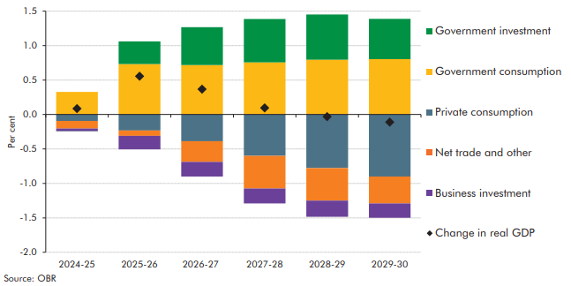

 |  | 2024- 2025 | 2025- 2026 | 2026- 2027 | 2027- 2028 | 2028- 2029 | 2029- 2030
 | Private consumption | -0.1 | -0.2 | -0.4 | -0.6 | -0.8 | -0.9
 | Government consumption | 0.3 | 0.7 | 0.7 | 0.8 | 0.8 | 0.8
 | Government investment | 0.0 | 0.3 | 0.5 | 0.6 | 0.7 | 0.6
 | Business investment | 0.0 | -0.2 | -0.2 | -0.2 | -0.2 | -0.2
 | Net trade and other | -0.1 | -0.1 | -0.3 | -0.5 | -0.5 | -0.4
 | GDP | 0.1 | 0.6 | 0.4 | 0.1 | 0.0 | -0.1

OBR_OCT24_C5.9
Back to contents
 | Chart 5.9: Implied average annual growth in RDEL spending
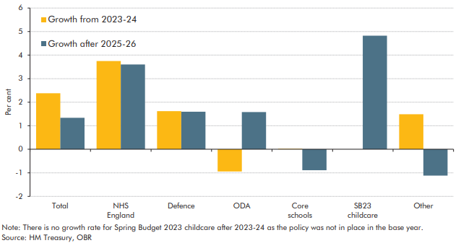

 |  | Growth from 2023-2024 | Growth after 2025-2026
 | Total | 2.4 | 1.3
 | NHS England | 3.7 | 3.6
 | Defence | 1.6 | 1.6
 | Official Development Assistance | -0.9 | 1.6
 | Core schools | 0.0 | -0.9
 | Free childcare | 0.0 | 4.8
 | Other | 1.5 | -1.1

OBR_OCT24_C7.3
Back to contents
 | Chart 7.3: Successive forecasts for headrooms against fiscal targets

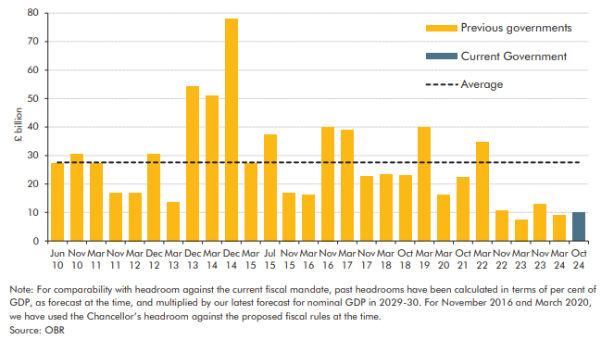

 | Government headroom |  | Average
 | Jun 10 | 27.2 | 27.0
 | Nov 10 | 30.6 | 27.0
 | Mar 11 | 27.2 | 27.0
 | Nov 11 | 17.0 | 27.0
 | Mar 12 | 17.0 | 27.0
 | Dec 12 | 30.6 | 27.0
 | Mar 13 | 13.6 | 27.0
 | Dec 13 | 54.4 | 27.0
 | Mar 14 | 51.0 | 27.0
 | Dec 14 | 78.1 | 27.0
 | Mar 15 | 27.2 | 27.0
 | Jun 15 | 37.4 | 27.0
 | Nov 15 | 17.0 | 27.0
 | Mar 16 | 16.2 | 27.0
 | Nov 16 | 40.1 | 27.0
 | Mar 17 | 38.9 | 27.0
 | Nov 17 | 22.5 | 27.0
 | Mar 18 | 23.3 | 27.0
 | Oct 18 | 23.0 | 27.0
 | Mar 19 | 39.8 | 27.0
 | Mar 20 | 16.1 | 27.0
 | Oct 21 | 22.4 | 27.0
 | Mar 22 | 34.7 | 27.0
 | Nov 22 | 10.7 | 27.0
 | Mar 23 | 7.5 | 27.0
 | Nov 23 | 13.0 | 27.0
 | Mar 24 | 8.9 | 27.0
 | Oct 24 | 9.9 | 27.0

C6.11
Back to contents
 | Chart 6.11: Four measures of the public sector balance sheet
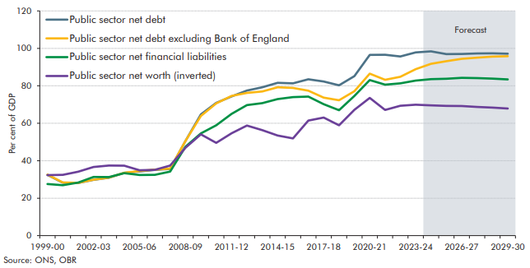

 |  | 1999-00 | 2000-01 | 2001-02 | 2002-03 | 2003-04 | 2004-05 | 2005-06 | 2006-07 | 2007-08 | 2008-09 | 2009-10 | 2010-11 | 2011-12 | 2012-13 | 2013-14 | 2014-15 | 2015-16 | 2016-17 | 2017-18 | 2018-19 | 2019-20 | 2020-21 | 2021-22 | 2022-23 | 2023-24 | 2024-25 | 2025-26 | 2026-27 | 2027-28 | 2028-29 | 2029-30
 | Public sector net debt | 32.5 | 28.3 | 28.1 | 29.8 | 30.9 | 33.5 | 34.3 | 35.1 | 35.6 | 50.6 | 64.7 | 70.9 | 74.3 | 77.5 | 79.2 | 81.6 | 81.3 | 83.5 | 82.3 | 80.3 | 85.2 | 96.5 | 96.6 | 95.7 | 97.8 | 98.4 | 96.9 | 97.0 | 97.2 | 97.3 | 97.1
 | Public sector net debt excluding Bank of England | 32.6 | 28.4 | 28.2 | 29.9 | 31.0 | 33.6 | 34.5 | 35.3 | 35.8 | 50.6 | 63.9 | 70.6 | 74.6 | 76.2 | 77.0 | 79.2 | 78.9 | 77.4 | 73.7 | 72.3 | 77.1 | 86.5 | 83.2 | 84.8 | 88.9 | 91.8 | 93.1 | 94.4 | 95.1 | 95.6 | 95.8
 | Public sector net financial liabilities | 27.6 | 27.0 | 28.4 | 31.4 | 31.2 | 33.4 | 32.4 | 32.4 | 34.2 | 47.5 | 54.6 | 58.9 | 65.0 | 69.7 | 70.7 | 72.9 | 74.0 | 74.2 | 70.2 | 67.0 | 74.6 | 83.1 | 80.6 | 81.3 | 82.8 | 83.5 | 83.8 | 84.2 | 84.1 | 83.9 | 83.4
 | Public sector net worth (inverted) | 32.4 | 32.4 | 34.1 | 36.7 | 37.5 | 37.4 | 34.9 | 35.1 | 37.4 | 46.9 | 54.1 | 49.6 | 54.7 | 58.8 | 56.3 | 53.5 | 52.0 | 61.4 | 63.0 | 58.9 | 67.2 | 73.6 | 67.1 | 69.3 | 69.9 | 69.6 | 69.3 | 69.2 | 68.7 | 68.4 | 67.9

OBR_MAR24_C4.10
Back to contents
 | Chart 4.10: Real departmental spending per person (2023-24 prices)
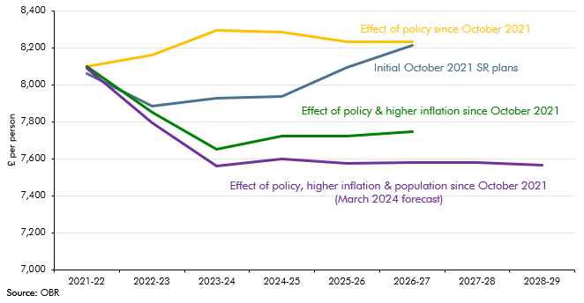

 |  | 2021-22 | 2022-23 | 2023-24 | 2024-25 | 2025-26 | 2026-27 | 2027-28 | 2028-29
 | Initial October 2021 SR plans | 8058 | 7886 | 7925 | 7937 | 8094 | 8213
 | Effect of policy since October 2021 | 8097 | 8162 | 8294 | 8283 | 8231 | 8231
 | Effect of policy and higher inflation since October 2021 | 8097 | 7848 | 7650 | 7722 | 7722 | 7746
 | Effect of policy, hihger inflation and population since October 2021 (March 2024 forecast) | 8088 | 7786 | 7548 | 7584 | 7564 | 7569 | 7569 | 7553

Chart - r v g 24-28
3.91 | 3.85
3.48 | 4.59
0.78 | 1.83
3.29 | 4.05
2.81 | 4.24
1.95 | 4.18
1.46 | 4.02
1.20 | 2.57
2.31 | 4.98
1.98 | 3.07
1.71 | 3.28
2.70 | 2.32
2.25 | 4.06
1.77 | 3.76
1.86 | 3.91
1.37 | 3.37
1.44 | 2.88
2.10 | 5.66
1.88 | 4.04
2.41 | 3.88

Chart - Fiscal rules
 | Public sector net debt | Public sector net debt (ex BoE) | Public sector net financial liabilities | Public sector net worth (inverted)
2000 | 28.3 | 28.4 | 27.0 | 32.4
2001 | 28.1 | 28.2 | 28.4 | 34.1
2002 | 29.8 | 29.9 | 31.4 | 36.7
2003 | 30.9 | 31.0 | 31.2 | 37.5
2004 | 33.5 | 33.6 | 33.4 | 37.4
2005 | 34.3 | 34.5 | 32.4 | 34.9
2006 | 35.1 | 35.3 | 32.4 | 35.1
2007 | 35.6 | 35.8 | 34.2 | 37.4
2008 | 50.6 | 50.6 | 47.5 | 46.9
2009 | 64.7 | 63.9 | 54.6 | 54.1
2010 | 70.9 | 70.6 | 58.9 | 49.6
2011 | 74.3 | 74.6 | 65.0 | 54.7
2012 | 77.5 | 76.2 | 69.7 | 58.8
2013 | 79.2 | 77.0 | 70.7 | 56.3
2014 | 81.6 | 79.2 | 72.9 | 53.5
2015 | 81.3 | 78.9 | 74.0 | 52.0
2016 | 83.5 | 77.4 | 74.2 | 61.4
2017 | 82.3 | 73.7 | 70.2 | 63.0
2018 | 80.3 | 72.3 | 67.0 | 58.9
2019 | 85.2 | 77.1 | 74.6 | 67.2
2020 | 96.5 | 86.5 | 83.1 | 73.6
2021 | 96.6 | 83.2 | 80.6 | 67.1
2022 | 95.7 | 84.8 | 81.3 | 69.3
2023 | 97.8 | 88.9 | 82.8 | 69.9
2024 | 98.4 | 91.8 | 83.5 | 69.6
2025 | 96.9 | 93.1 | 83.8 | 69.3
2026 | 97.0 | 94.4 | 84.2 | 69.2
2027 | 97.2 | 95.1 | 84.1 | 68.7
2028 | 97.3 | 95.6 | 83.9 | 68.4
2029 | 97.1 | 95.8 | 83.4 | 67.9

Chart - Fiscal rules (2)
 | 2029-2030
Public sector net debt | 6.6
Public sector net debt (ex BoE) | -5.8
Public sector net financial liabilities | 15.7
Public sector net worth | 16.9

Chart - Fiscal impulse (2)
 | Budget (Oct24) | Budget (Mar24)
2010-11 | -2.2
2011-12 | -1.4
2012-13 | 0.4
2013-14 | -0.9
2014-15 | 0.4
2015-16 | -0.5
2016-17 | -1.5
2017-18 | 0.1
2018-19 | -0.2
2019-20 | 1.0
2020-21 | 12.3
2021-22 | -10.1
2022-23 | -2.1
2023-24 | -0.2
2024-25 | -0.2 | -1.1
2025-26 | -0.8 | -0.6
2026-27 | -0.5 | -0.4
2027-28 | -0.7 | -0.6
2028-29 | -0.2 | -0.4
2029-30 | -0.2

Chart - Yields
 | UK | Germany | US
1/3/2022 | 0.97 | -0.12 | 1.63
1/4/2022 | 1.08 | -0.13 | 1.66
1/5/2022 | 1.09 | -0.12 | 1.71
1/6/2022 | 1.14 | -0.07 | 1.73
1/7/2022 | 1.18 | -0.04 | 1.76
1/10/2022 | 1.19 | -0.03 | 1.78
1/11/2022 | 1.17 | -0.02 | 1.75
1/12/2022 | 1.13 | -0.06 | 1.74
1/13/2022 | 1.11 | -0.09 | 1.70
1/14/2022 | 1.16 | -0.04 | 1.78
1/17/2022 | 1.19 | -0.02 | #N/A
1/18/2022 | 1.22 | 0.00 | 1.87
1/19/2022 | 1.26 | -0.01 | 1.83
1/20/2022 | 1.22 | -0.02 | 1.83
1/21/2022 | 1.17 | -0.06 | 1.75
1/24/2022 | 1.13 | -0.11 | 1.75
1/25/2022 | 1.17 | -0.08 | 1.78
1/26/2022 | 1.20 | -0.07 | 1.85
1/27/2022 | 1.22 | -0.07 | 1.81
1/28/2022 | 1.24 | -0.05 | 1.78
1/31/2022 | 1.31 | 0.01 | 1.79
2/1/2022 | 1.30 | 0.03 | 1.81
2/2/2022 | 1.26 | 0.04 | 1.78
2/3/2022 | 1.37 | 0.15 | 1.82
2/4/2022 | 1.41 | 0.21 | 1.93
2/7/2022 | 1.41 | 0.23 | 1.92
2/8/2022 | 1.49 | 0.27 | 1.96
2/9/2022 | 1.43 | 0.22 | 1.94
2/10/2022 | 1.53 | 0.31 | 2.03
2/11/2022 | 1.55 | 0.29 | 1.92
2/14/2022 | 1.58 | 0.28 | 1.98
2/15/2022 | 1.59 | 0.31 | 2.05
2/16/2022 | 1.52 | 0.28 | 2.03
2/17/2022 | 1.46 | 0.23 | 1.97
2/18/2022 | 1.38 | 0.18 | 1.92
2/21/2022 | 1.41 | 0.21 | #N/A
2/22/2022 | 1.47 | 0.23 | 1.94
2/23/2022 | 1.48 | 0.22 | 1.99
2/24/2022 | 1.45 | 0.15 | 1.96
2/25/2022 | 1.46 | 0.22 | 1.97
2/28/2022 | 1.40 | 0.11 | 1.83
3/1/2022 | 1.11 | -0.09 | 1.72
3/2/2022 | 1.27 | 0.02 | 1.86
3/3/2022 | 1.31 | 0.04 | 1.86
3/4/2022 | 1.23 | -0.07 | 1.74
3/7/2022 | 1.30 | -0.03 | 1.78
3/8/2022 | 1.45 | 0.13 | 1.86
3/9/2022 | 1.51 | 0.22 | 1.94
3/10/2022 | 1.53 | 0.28 | 1.98
3/11/2022 | 1.49 | 0.24 | 2.00
...

Chart - Spreads
 | Gilt-German bund spread | Gilt-US Treasury note spread | ZERO LINE
1/3/2022 | 1.09 | -0.66 | 0
1/4/2022 | 1.21 | -0.58 | 0
1/5/2022 | 1.21 | -0.62 | 0
1/6/2022 | 1.21 | -0.59 | 0
1/7/2022 | 1.22 | -0.58 | 0
1/10/2022 | 1.22 | -0.59 | 0
1/11/2022 | 1.19 | -0.58 | 0
1/12/2022 | 1.19 | -0.61 | 0
1/13/2022 | 1.20 | -0.59 | 0
1/14/2022 | 1.20 | -0.62 | 0
1/17/2022 | 1.21 | #N/A | 0
1/18/2022 | 1.22 | -0.65 | 0
1/19/2022 | 1.27 | -0.57 | 0
1/20/2022 | 1.24 | -0.61 | 0
1/21/2022 | 1.23 | -0.58 | 0
1/24/2022 | 1.24 | -0.62 | 0
1/25/2022 | 1.25 | -0.61 | 0
1/26/2022 | 1.27 | -0.65 | 0
1/27/2022 | 1.29 | -0.59 | 0
1/28/2022 | 1.29 | -0.54 | 0
1/31/2022 | 1.30 | -0.48 | 0
2/1/2022 | 1.27 | -0.51 | 0
2/2/2022 | 1.22 | -0.52 | 0
2/3/2022 | 1.22 | -0.45 | 0
2/4/2022 | 1.20 | -0.52 | 0
2/7/2022 | 1.18 | -0.51 | 0
2/8/2022 | 1.22 | -0.47 | 0
2/9/2022 | 1.21 | -0.51 | 0
2/10/2022 | 1.22 | -0.50 | 0
2/11/2022 | 1.26 | -0.37 | 0
2/14/2022 | 1.30 | -0.40 | 0
2/15/2022 | 1.28 | -0.46 | 0
2/16/2022 | 1.24 | -0.51 | 0
2/17/2022 | 1.23 | -0.51 | 0
2/18/2022 | 1.20 | -0.54 | 0
2/21/2022 | 1.20 | #N/A | 0
2/22/2022 | 1.24 | -0.47 | 0
2/23/2022 | 1.26 | -0.51 | 0
2/24/2022 | 1.30 | -0.51 | 0
2/25/2022 | 1.24 | -0.51 | 0
2/28/2022 | 1.29 | -0.43 | 0
3/1/2022 | 1.20 | -0.61 | 0
3/2/2022 | 1.25 | -0.59 | 0
3/3/2022 | 1.27 | -0.55 | 0
3/4/2022 | 1.30 | -0.51 | 0
3/7/2022 | 1.33 | -0.48 | 0
3/8/2022 | 1.32 | -0.41 | 0
3/9/2022 | 1.29 | -0.43 | 0
3/10/2022 | 1.25 | -0.45 | 0
3/11/2022 | 1.25 | -0.51 | 0
...

